Irrigation
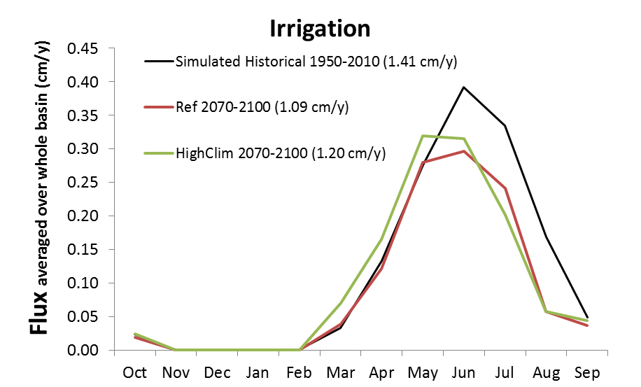
Irrigation
 | Simulated Historical 1950-2010 (1.41 cm/y) | Ref 2070-2100 (1.09 cm/y) | HighClim 2070-2100 (1.20 cm/y)
Oct | 0.02 | 0.02 | 0.02
Nov | 0.00 | 0.00 | 0.00
Dec | 0.00 | 0.00 | 0.00
Jan | 0.00 | 0.00 | 0.00
Feb | 0.00 | 0.00 | 0.00
Mar | 0.03 | 0.04 | 0.07
Apr | 0.13 | 0.12 | 0.16
May | 0.28 | 0.28 | 0.32
Jun | 0.39 | 0.30 | 0.32
Jul | 0.33 | 0.24 | 0.20
Aug | 0.17 | 0.06 | 0.06
Sep | 0.05 | 0.04 | 0.04
Total | 1.41 | 1.09 | 1.20

 | 0.77317491492 | 0.8493414188

